Instructions
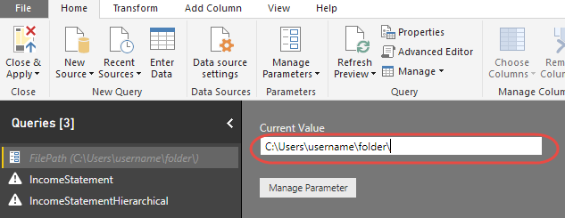
Sample data for Zebra BI visuals for Power BI
https://zebrabi.com/pbi

To link this workbook to Power BI, open "1 Income statement monthly - Zebra BI.pbix" file in your Power BI and click Edit Queries:

Enter the location (folder path) to the folder where this Excel file resides (it must end with \ character):

